Navigation
SmartPLS report
Please cite the use of SmartPLS: Ringle, C. M., Wende, S., and Becker, J.-M. 2024. "SmartPLS 4." Bönningstedt: SmartPLS, https://www.smartpls.com.
 | complete
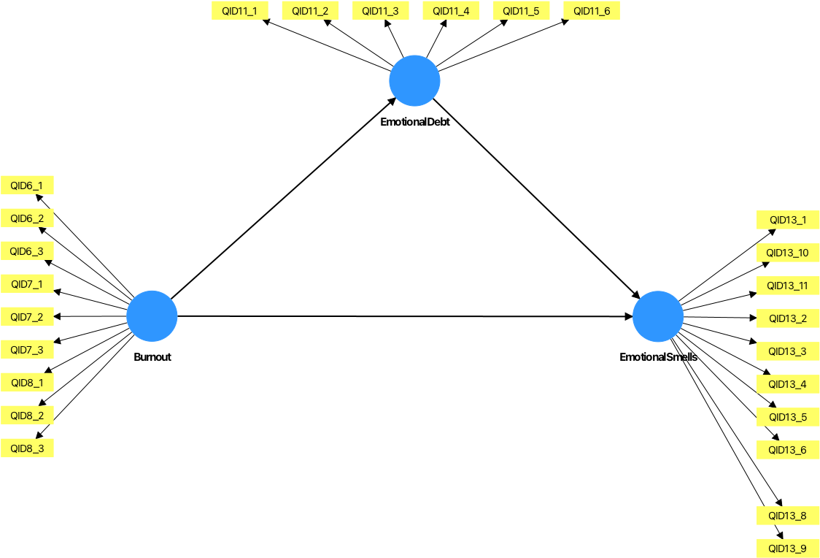
Final results
Path coefficients
Total indirect effects
Specific indirect effects
Total effects
Outer loadings
Outer weights
Latent variables
Residuals

Quality criteria
R-square
f-square
Construct reliability and validity
Discriminant validity
Collinearity statistics (VIF)
Model fit
Model selection criteria

Algorithm
Setting
Stop criterion changes
Post-hoc power analysis
Execution log

Model and data
Inner model
Outer model
Indicator data (original)
Indicator data (standardized)
Indicator data (correlations)

